Hoja1
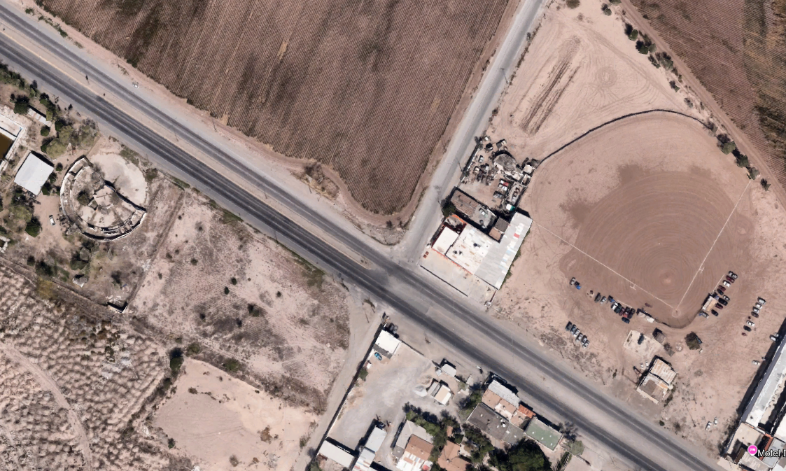
C. AURELIO PAEZ CHAVEZ
CARR. JUAREZ PORVENIR
Hr/Mov | 1_2 |  |  | 1_3 |  |  | 1_4 |  |  | 2_1 |  |  | 2_2 |  |  | 2_3 |  |  | 2_4 |  |  | 3_1 |  |  | 3_2 |  |  | 3_3 |  |  | 3_4 |  |  | 4_2 |  |  | 4_3
 | A | B | C | A | B | C | A | B | C | A | B | C | A | B | C | A | B | C | A | B | C | A | B | C | A | B | C | A | B | C | A | B | C | A | B | C | A | B | C
6:45 AM - 7:00 AM | 3 | 4 | 3 | 0 | 1 | 0 | 0 | 0 | 0 | 9 | 0 | 0 | 0 | 0 | 0 | 310 | 52 | 10 | 9 | 0 | 0 | 1 | 0 | 0 | 429 | 14 | 27 | 1 | 0 | 0 | 4 | 0 | 0 | 0 | 0 | 0 | 3 | 0 | 0
1
7:00 AM - 7:15 AM | 4 | 4 | 4 | 2 | 1 | 0 | 1 | 0 | 0 | 8 | 0 | 0 | 4 | 0 | 0 | 253 | 34 | 12 | 16 | 0 | 0 | 4 | 3 | 0 | 443 | 15 | 18 | 1 | 0 | 0 | 34 | 1 | 0 | 9 | 0 | 0 | 25 | 0 | 0
7:15 AM - 7:30 AM | 4 | 7 | 4 | 0 | 0 | 0 | 0 | 0 | 0 | 2 | 0 | 0 | 5 | 0 | 0 | 267 | 27 | 13 | 21 | 0 | 0 | 2 | 1 | 0 | 499 | 15 | 25 | 0 | 0 | 0 | 22 | 1 | 0 | 19 | 0 | 0 | 19 | 0 | 0
7:30 AM - 7:45 AM | 1 | 5 | 1 | 2 | 1 | 0 | 0 | 0 | 0 | 7 | 0 | 1 | 4 | 0 | 0 | 240 | 12 | 23 | 4 | 0 | 0 | 2 | 1 | 0 | 507 | 9 | 25 | 0 | 0 | 0 | 9 | 0 | 0 | 14 | 0 | 0 | 21 | 0 | 0
2
TOTAL | 12 | 20 | 12 | 4 | 3 | 0 | 1 | 0 | 0 | 26 | 0 | 1 | 13 | 0 | 0 | 1070 | 125 | 58 | 50 | 0 | 0 | 9 | 5 | 0 | 1878 | 53 | 95 | 2 | 0 | 0 | 69 | 2 | 0 | 42 | 0 | 0 | 68 | 0 | 0
TOTALES | 44 |  |  | 7 |  |  | 1 |  |  | 27 |  |  | 13 |  |  | 1253 |  |  | 50 |  |  | 14 |  |  | 2026 |  |  | 2 |  |  | 71 |  |  | 42 |  |  | 68

Hr/Mov | 1_2 |  |  | 1_3 |  |  | 1_4 |  |  | 2_1 |  |  | 2_2 |  |  | 2_3 |  |  | 2_4 |  |  | 3_1 |  |  | 3_2 |  |  | 3_3 |  |  | 3_4 |  |  | 4_2 |  |  | 4_3
 | A | B | C | A | B | C | A | B | C | A | B | C | A | B | C | A | B | C | A | B | C | A | B | C | A | B | C | A | B | C | A | B | C | A | B | C | A | B | C
4:45 PM - 5:00 PM | 15 | 0 | 4 | 7 | 2 | 0 | 0 | 0 | 0 | 3 | 0 | 1 | 4 | 0 | 2 | 396 | 32 | 16 | 11 | 0 | 0 | 7 | 0 | 0 | 270 | 19 | 7 | 1 | 0 | 1 | 3 | 1 | 0 | 0 | 0 | 0 | 7 | 1 | 0
5:00 PM - 5:15 PM | 33 | 1 | 3 | 4 | 0 | 1 | 2 | 0 | 0 | 0 | 0 | 0 | 6 | 0 | 0 | 411 | 14 | 15 | 11 | 0 | 0 | 2 | 0 | 0 | 343 | 29 | 10 | 0 | 0 | 0 | 8 | 1 | 0 | 2 | 0 | 0 | 4 | 0 | 0
5:15 PM - 5:30 PM | 10 | 0 | 2 | 8 | 0 | 2 | 2 | 0 | 0 | 4 | 0 | 2 | 7 | 0 | 0 | 415 | 15 | 16 | 9 | 0 | 0 | 0 | 0 | 1 | 331 | 23 | 15 | 0 | 0 | 0 | 2 | 0 | 0 | 1 | 0 | 0 | 2 | 0 | 0
5:30 PM - 5:45 PM | 8 | 0 | 3 | 11 | 0 | 1 | 0 | 0 | 0 | 1 | 0 | 0 | 10 | 0 | 0 | 476 | 4 | 15 | 10 | 0 | 0 | 0 | 1 | 0 | 381 | 17 | 9 | 0 | 0 | 0 | 7 | 0 | 0 | 2 | 0 | 0 | 4 | 0 | 0
TOTAL | 66 | 1 | 12 | 30 | 2 | 4 | 4 | 0 | 0 | 8 | 0 | 3 | 27 | 0 | 2 | 1698 | 65 | 62 | 41 | 0 | 0 | 9 | 1 | 1 | 1325 | 88 | 41 | 1 | 0 | 1 | 20 | 2 | 0 | 5 | 0 | 0 | 17 | 1 | 0
3
TOTALES | 79 |  |  | 36 |  |  | 4 |  |  | 11 |  |  | 29 |  |  | 1825 |  |  | 41 |  |  | 11 |  |  | 1454 |  |  | 2 |  |  | 22 |  |  | 5 |  |  | 18

4

